schedule
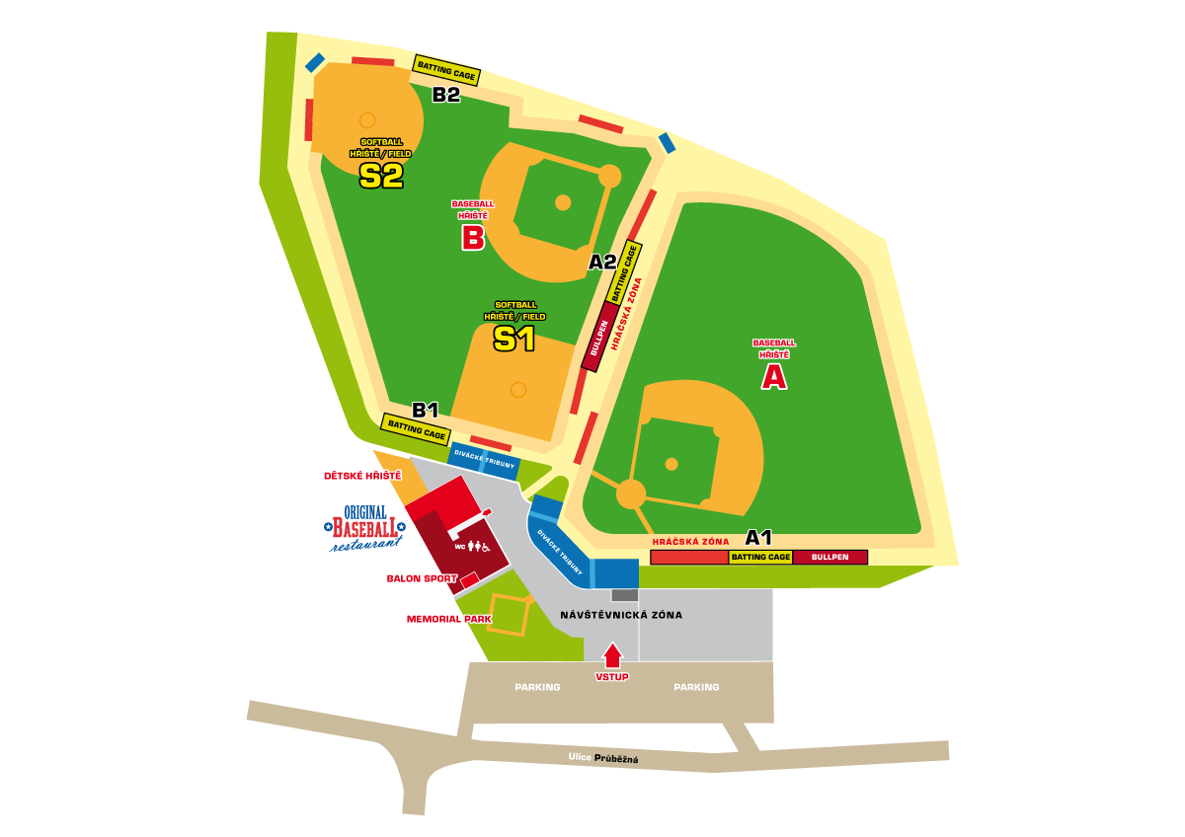
start | end | duration | U12 |  |  | start | end | duration | U15 |  |  | start | end | duration | U18
SATURDAY
10:00:00 | 10:30:00 | 0:30:00 | Warm-up, agility |  |  | 10:00:00 | 10:30:00 | 0:30:00 | Warm-up, agility |  |  | 10:00:00 | 10:30:00 | 0:30:00 | Warm-up, agility
10:30:00 | 10:45:00 | 0:15:00 | Throwing routine |  |  | 10:30:00 | 10:45:00 | 0:15:00 | Throwing routine |  |  | 10:30:00 | 10:45:00 | 0:15:00 | Throwing routine
10:45:00 | 11:30:00 | 0:45:00 | Batting - drills | IF defence - drills | OF defence - drills | 10:45:00 | 11:30:00 | 0:45:00 | Batting - drills | IF defence - drills | OF defence - drills | 10:45:00 | 11:30:00 | 0:45:00 | Batting - drills | IF defence - drills | OF defence - drills
11:30:00 | 12:15:00 | 0:45:00 | OF defence - drills | Batting - drills | IF defence - drills | 11:30:00 | 12:15:00 | 0:45:00 | OF defence - drills | Batting - drills | IF defence - drills | 11:30:00 | 12:15:00 | 0:45:00 | OF defence - drills | Batting - drills | IF defence - drills
12:15:00 | 13:00:00 | 0:45:00 | IF defence - drills | OF defence - drills | Batting - drills | 12:15:00 | 13:00:00 | 0:45:00 | IF defence - drills | OF defence - drills | Batting - drills | 12:15:00 | 13:00:00 | 0:45:00 | IF defence - drills | OF defence - drills | Batting - drills
13:00:00 | 14:00:00 | 1:00:00 | Batting Practice (tunel > batting > baserunning > fielding) |  |  | 13:00:00 | 13:30:00 | 0:30:00 | Baserunning - stealing, leading |  |  | 13:00:00 | 14:30:00 | 1:30:00 | Batting Practice (tunel > batting > baserunning > fielding)

14:00:00 | 15:00:00 | 1:00:00 | Lunch, pause |  |  | 13:30:00 | 14:30:00 | 1:00:00 | Lunch, pause |  |  | 14:30:00 | 15:30:00 | 1:00:00 | Lunch, pause
15:00:00 | 15:30:00 | 0:30:00 | Warm-up, Throwing routine |  |  | 14:30:00 | 15:00:00 | 0:30:00 | Warm-up, Throwing routine |  |  | 15:30:00 | 16:00:00 | 0:30:00 | Warm-up, Throwing routine
15:30:00 | 16:15:00 | 0:45:00 | posts IF / OF | Pitching - drills | Catching - drills | 15:00:00 | 16:30:00 | 1:30:00 | Batting Practice (tunel > batting > baserunning > fielding) |  |  | 16:00:00 | 16:30:00 | 0:30:00 | posts IF / OF | Pitching - drills | Catching - drills
16:15:00 | 17:00:00 | 0:45:00 | posts IF / OF | Pitching, Catching - bullpens |  |  |  |  |  |  |  | 16:30:00 | 17:00:00 | 0:30:00 | posts IF / OF | Pitching, Catching - bullpens
17:00:00 | 17:45:00 | 0:45:00 | Bunting? | Pitching - PFP | Catching - steals | 16:30:00 | 17:45:00 | 1:15:00 | Team Deffence, Situations, Cutoffs, Backup |  |  | 17:00:00 | 17:30:00 | 0:30:00 | Bunting? | Pitching - PFP, pickoffs | Catching - steals
17:45:00 | 18:00:00 | 0:15:00 | Cool-down |  |  | 17:45:00 | 18:00:00 | 0:15:00 | Cool-down |  |  | 17:30:00 | 17:45:00 | 0:15:00 | Cool-down
18:00:00 |  |  | Departure Arrows |  |  | 18:00:00 |  |  | Departure Arrows |  |  | 18:00:00 |  |  | Departure Arrows
SUNDAY
10:00:00 | 10:15:00 | 0:15:00 | Warm-up |  |  | 10:00:00 | 10:15:00 | 0:15:00 | Warm-up |  |  | 10:00:00 | 10:15:00 | 0:15:00 | Warm-up
10:15:00 | 10:30:00 | 0:15:00 | Throwing routine |  |  | 10:15:00 | 10:30:00 | 0:15:00 | Throwing routine |  |  | 10:15:00 | 10:30:00 | 0:15:00 | Throwing routine
10:30:00 | 10:45:00 | 0:15:00 | Pregame |  |  | 10:30:00 | 11:00:00 | 0:30:00 | posts IF / OF | Pitching - drills | Catching - drills | 10:30:00 | 10:45:00 | 0:15:00 | Pregame
10:45:00 | 12:30:00 | 1:45:00 | Game vs. Arrows |  |  | 11:00:00 | 11:30:00 | 0:30:00 | posts IF / OF | Pitching, Catching - bullpens |  | 10:45:00 | 13:00:00 | 2:15:00 | Game vs. Arrows
 |  |  |  |  |  | 11:30:00 | 12:00:00 | 0:30:00 | Bunting? | Pitching - PFP, pickoffs | Catching - steals
12:30:00 | 13:30:00 | 1:00:00 | Lunch, pause |  |  | 12:00:00 | 13:00:00 | 1:00:00 | Lunch, pause |  |  | 13:00:00 | 14:00:00 | 1:00:00 | Lunch, pause
13:30:00 | 14:00:00 | 0:30:00 | Warm-up, Throwing routine |  |  | 13:00:00 | 13:30:00 | 0:30:00 | Warm-up, Throwing routine |  |  | 14:00:00 | 14:30:00 | 0:30:00 | Warm-up, Throwing routine
14:00:00 | 15:15:00 | 1:15:00 | Team Deffence, Situations, Cutoffs, Backup |  |  | 13:30:00 | 13:45:00 | 0:15:00 | Pregame |  |  | 14:30:00 | 15:15:00 | 0:45:00 | IF/OF Deffence, Situations, Cutoffs, Backup
 |  |  |  |  |  | 13:45:00 | 15:45:00 | 2:00:00 | Game vs. Arrows |  |  | 15:15:00 | 15:45:00 | 0:30:00 | Baserunning - stealing, leading
15:15:00 | 15:45:00 | 0:30:00 | Baserunning
15:45:00 | 16:00:00 | 0:15:00 | Cool-down |  |  | 15:45:00 | 16:00:00 | 0:15:00 | Cool-down |  |  | 15:45:00 | 16:00:00 | 0:15:00 | Cool-down
16:00:00 |  |  | Departure Arrows |  |  | 16:00:00 |  |  | Departure Arrows |  |  | 16:00:00 |  |  | Departure Arrows

 |  |  | Infield Softball S1 (or all field) | Outfield Softball S1 | Batting Cage B1 |  |  |  | Infield Baseball B (or all field) | Outfield Baseball A (left) | Batting Cage A2 |  |  |  | Infield Baseball A (or all field) | Outfield Baseball A (right) | Batting Cage A1
 |  |  | Restaurace |  | Batting Cages B2,B3 |  |  |  | Infield Baseball A (or all field) | Outfield Baseball A (right) |  |  |  |  | Restaurace
 |  |  |  |  |  |  |  |  | Restaurace

